Background Information
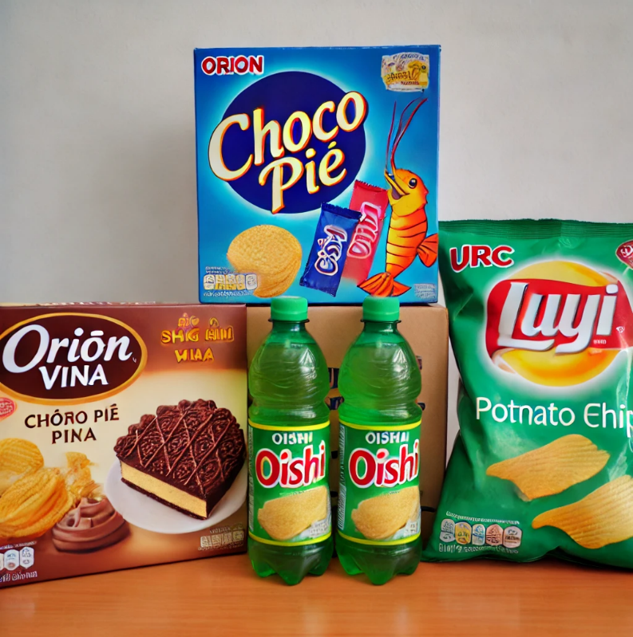
1 | Orion Vina: A subsidiary of South Korea’s Orion Corporation, known for popular snacks such as Choco Pie, Custas, and O’Star potato chips.

2 | Liwayway Vietnam: Known for producing the Oishi brand, offering various snacks, including shrimp chips, potato fries, and other puffed snacks.

3 | URC Vietnam (Universal Robina Corporation): Part of the multinational Universal Robina Corporation from the Philippines. They produce popular snacks like C2 green tea and Jack 'n Jill snack

